READ ME FIRST
Download and save this document to you computer.
The document is protected from adding or deleting cells, rows, and columns.

DC Water Products and Services List:
 | Contains the list of all products and services that DC Water may potentially purchase.
 | Used both NIGP and NAICS classifications.
 | Not all NIGP classifications are used. Only the classifications that are purchased based on the past 5 years of purchase history are used.
 | Frequently purchased items are products or services that DC Water has purchased repeatedly and regularly in the past 5 years.
 | NIGP classification is used for all types of products and services except for CIP (Capital Improvement Project) which are large construction and engineering projects.
 | Only the following 6 NAICS codes are used to capture the broad types of construction and engineering services.
 | 221320 (NAICS code) Sewage Treatment Facilities
 | 236220 (NAICS code) Commercial and Institutional Building Construction
 | 237110 (NAICS code) Water and Sewer Line and Related Structures Construction
 | 237310 (NAICS code) Highway, Street, and Bridge Construction
 | 541310 (NAICS code) Architectural Services, Professional
 | 541330 (NAICS code) Engineering Services
 | If your company provides construction, architectural, and engineering services (as prime or subcontractor), select all applicable NAICS codes from this list. (Strongly recommend to select all codes)
 | You may select all NAICS codes if you are unsure which is applicable but want to participate in all DC Water capital construction and engineering projects.
 | You may also select your construction trades in "Service - Construction Trades" which use 914 NIGP classification (will be used for small construction services such as building repair).
 | We strongly encourage that all vendors who are interested in doing business with DC Water to register in the New Vendor Portal, regardless where your firm is only intending to participate as a subcontractor. By registering, subcontractors will also be informed of upcoming solicitations and plan accordingly. Strongly recommend to select all codes.

Selecting Product and Services
 | Search by key word or first 3 digits of NIGP codes (if you are familiar with NIGP codes) of products or services that your company wishes to sell to DC Water.
 | Only select products and services that your company provides directly to your customers today.
 | When your product or service is found from the list, enter "x" in "My Products and Services" column.
 | Save the document.
 | Go to your Supplier Portal (Manage Profile section)
 | Go to Products and Service tab
 | Select all products and services that you found.
 | Review your selection.
 | Click Save.
Tips
 | The Class is DC Water created class for convenience by logically grouping like products or services.
 | Items are the actual NIGP or NAICS classifications.
 | Each Item starts with NIGP or NAICS code for your convenience. They are also shown in the descriptions.
 | You may select by Class level or by Item level or both.
 | You may select as many Classes and Items that may be similar to your products or services.
 | If you select a Class, then you are also selecting all items in the Class
 | Although check marks are not automatically populated on the screen for each Item but all Items in a Class are automatically inlcuded when you select a Class.
 | You do not need to select each item within the Class.
 | When you are unsure which Item best match your products or services, then select all Classes that best match your products or services.
 | Advantage of selecting a Class is that you will receive automatic invitation when a solicitation is issued for any Item in that Class.
 | Disadvantage is that you may get notices that are not relevant to your products or services.
 | Select Item(s) if you are sure that the selected Item(s) is exactly match your products or services.
 | If you find products or services, it is strongly recommended that you select the Class in addition to the Item.
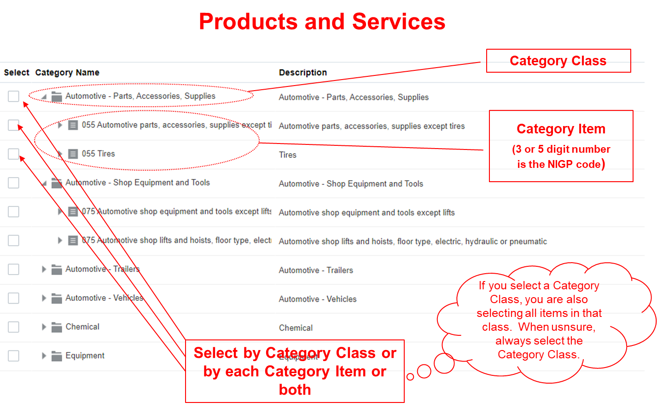

Updating your selection
 | You can always modify the selection by going to "Manage Profile" in the Supplier Portal.
 | Enter the summary of your changes in the Notes box.
 | When any changes are made in your Profile, it will be routed to Dc Water Supplier Administrator for review and approval. Your summary of changes entered in the Notes box will expedite the process.
 | You will receive an Approved or Rejected (with reason) notice.
 | If Rejected, follow the instruction to correct the error.

HELP or QUESTIONS
 | Email: ProcurementInquiry@dcwater.com
 | Tel: (202) 787-2020

